Wheels
 |  |  | S = Standard Equipment A = Available -- (dashes) = Not Available D = ADI Available ■ = Included in Equipment Group □ = Included in Equipment Group but upgradeable * = Indicates availability of feature on multiple models.
 |  |  | 1: Available on T*10706. 2: Available on TK10706.
Orderable RPO Code | Ref. Only RPO Code | Wheels | Description | Elevation 4SA1 | AT4 4SB2 | AT4 Ultimate 4SG2 | Denali 5SA1 | Denali Ultimate 5SB2
 | R4J | 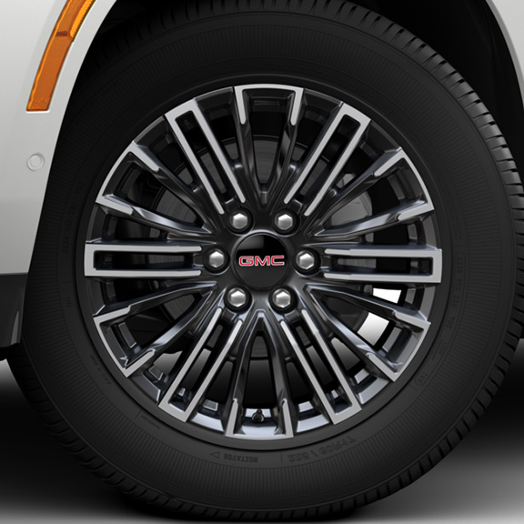 | Wheels, 20" x 9" (50.8 cm x 22.9 cm) machined and painted Satin Graphite | S | -- | -- | -- | --
 | R4L | 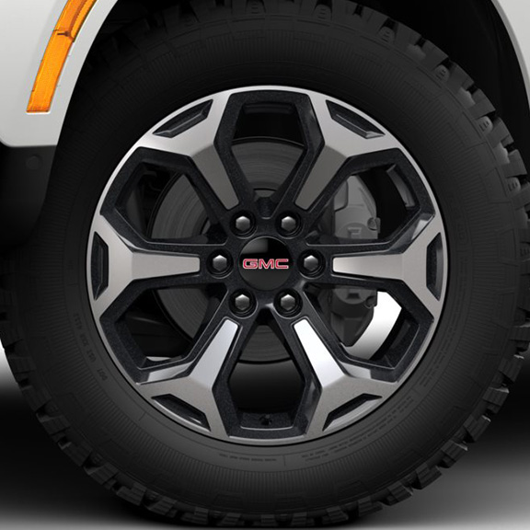 | Wheels, 20" x 9" (50.8 cm x 22.9 cm) machined and painted Carbon Flash Metallic | -- | ■ | -- | -- | --
 | RSL | 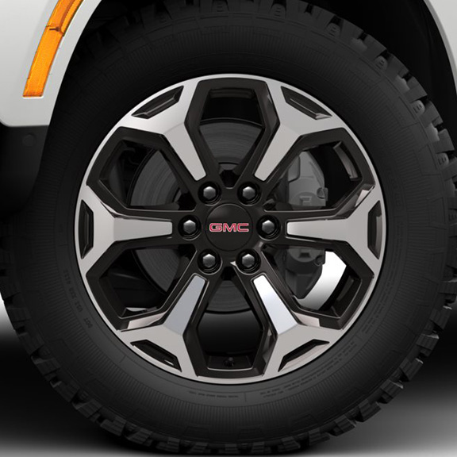 | Wheels, 20" x 9" (50.8 cm x 22.9 cm) machined and painted Talos Bronze Metallic | -- | -- | ■ | -- | --
SII |  | 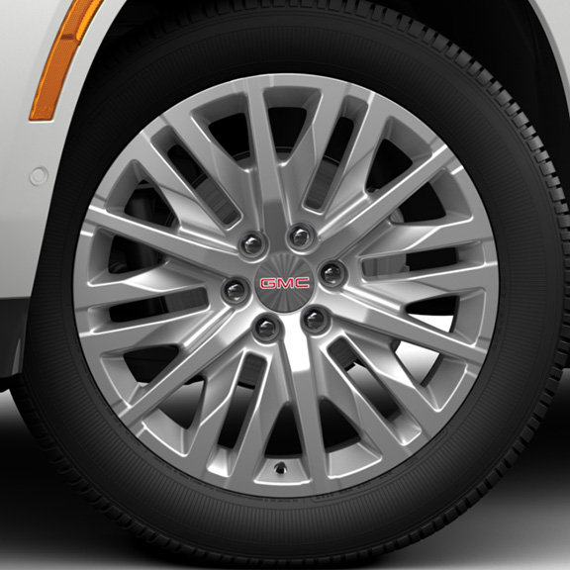 | Wheels, 22" x 9" (55.9 cm x 22.9 cm) polished aluminum 1. Includes (SFE) wheel locks, LPO. | A1 | -- | -- | A1 | --
SIY |  | 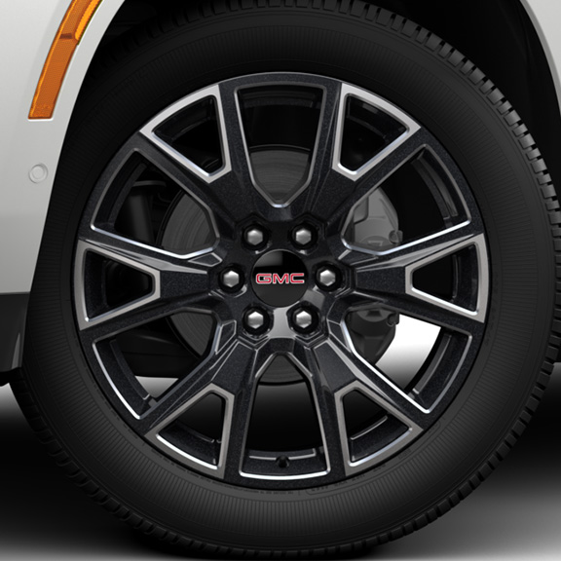 | Wheels, 22" x 9" (55.9 cm x 22.9 cm) 6-spoke Carbon Flash Metallic aluminum with selective machining 1. Includes (SFE) wheel locks, LPO. | A1 | -- | -- | A1 | --
 | RTL | 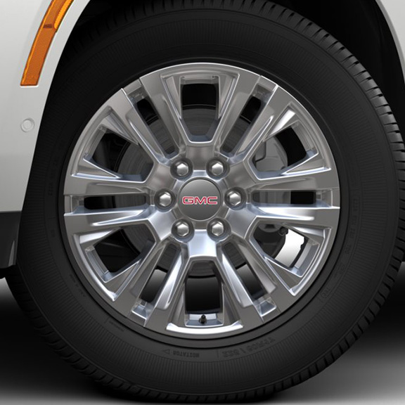 | Wheels, 20" x 9" (50.8 cm x 22.9 cm) 6-spoke multi-dimensional polished aluminum | -- | -- | -- | ■ | --
SMI |  | 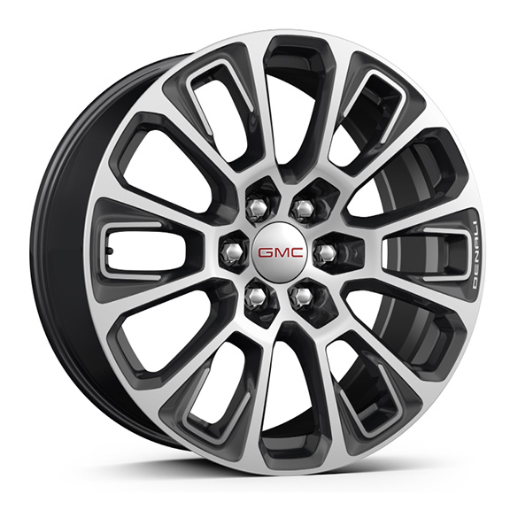 | Wheels, 22" x 9" (55.9 cm x 22.9 cm) ultra-bright machined and painted Midnight Silver with laser etched logo 1. Included with (PCN) Denali Reserve Package. Includes (SFE) wheel locks, LPO. | -- | -- | -- | A1 | --
RF3 |  | 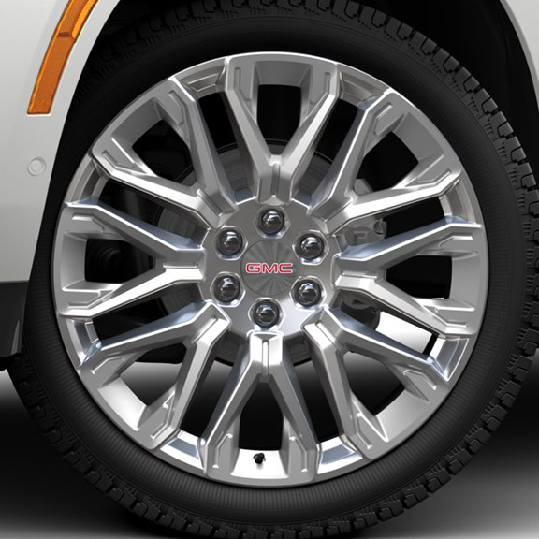 | Wheels, 24" x 9.5" (61 cm x 24.1 cm) selective machined and painted Pearl Nickel 1. 4WD model only. Requires (F47) Air Ride Adaptive Suspension. Includes (SFE) wheel locks, LPO. | -- | -- | -- | A1 | --
 | RF4 | 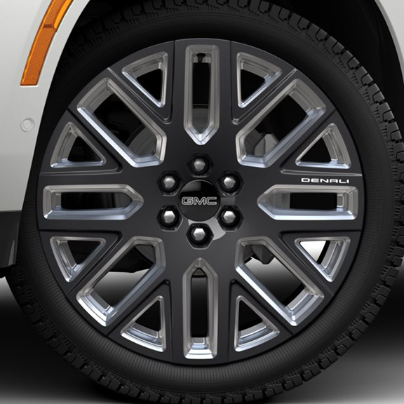 | Wheels, 24" x 9.5" (61 cm x 24.1 cm) selective machined and painted After Midnight Metallic 1. Includes (SFE) wheel locks, LPO. | -- | -- | -- | -- | ■1
SMR |  | 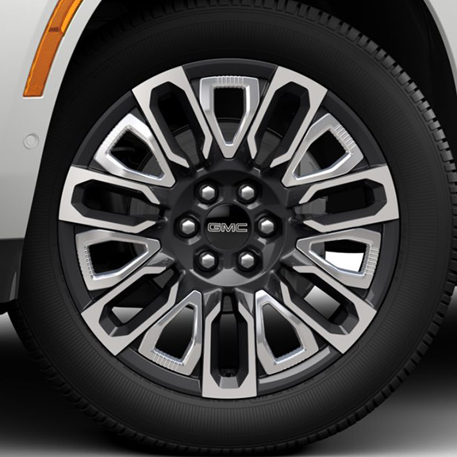 | Wheels, 22" (55.9 cm) 7-spoke ultra-bright machined with bright chrome inserts and painted After Midnight Metallic 1. Includes (SFE) wheel locks, LPO. | -- | -- | -- | -- | A1
SEV |  | 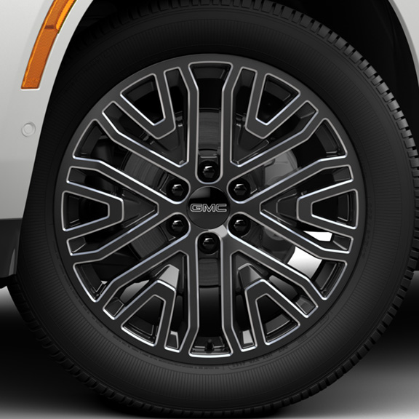 | LPO, 22" (55.9 cm) 6-Spoke Low Gloss Black Wheels with Machined Accents, LPO wheels will come with 4 steel 22" wheels from the factory with alignment specs set to 22" LPO wheel selected (dealer-installed) 1. Includes wheel locks and not (SFE) wheel locks, LPO. Not available with (SFE) wheel locks, LPO. | A/D1 | -- | -- | A/D1 | A/D1
SRL |  | 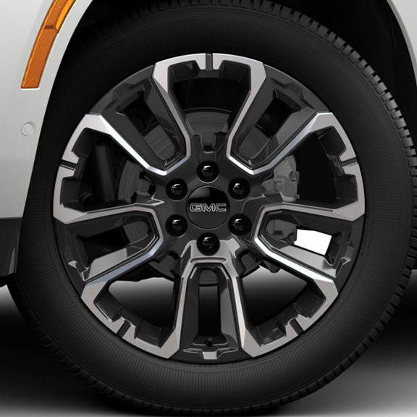 | LPO, 22" (55.9 cm) Black wheels with selective machining, LPO wheels will come with 4 steel 22" wheels from the factory with alignment specs set to 22" LPO wheel selected (dealer-installed) 1. Includes wheel locks and not (SFE) wheel locks, LPO. Not available with (SFE) wheel locks, LPO. | A/D1 | -- | -- | A/D1 | --
SSW |  | 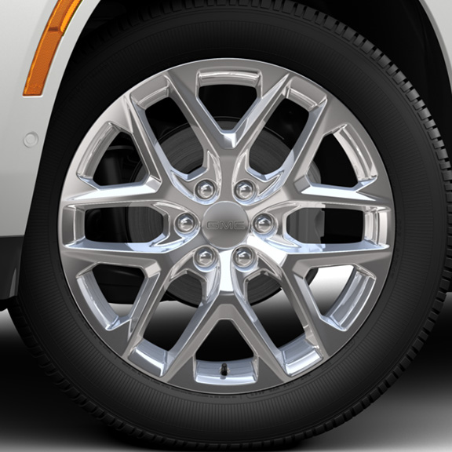 | LPO, 22" (55.9 cm) Bright multi-spoke wheels, LPO wheels will come with 4 steel 22" wheels from the factory with alignment specs set to 22" LPO wheel selected (dealer-installed) 1. Not available at this time. Includes wheel locks and not (SFE) wheel locks, LPO. Not available with (SFE) wheel locks, LPO. | A/D1 | -- | -- | A/D1 | --
SFU |  | 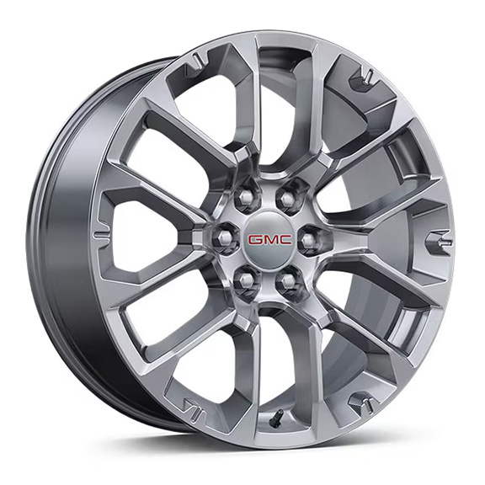 | NEW! LPO, 22" (55.9 cm) Bright split-spoke wheels, LPO wheels will come with 4 steel 22" wheels from the factory with alignment specs set to 22" LPO wheel selected (dealer-installed) 1. Not available at this time. Included with (RG8) Yukon Bright Edition, LPO. Includes wheel locks and not (SFE) wheel locks, LPO. Not available with (SFE) wheel locks, LPO. 2. Not available at this time. Included with (RG8) Yukon Bright Edition on 2WD models only. | A/D1 | -- | -- | A/D2 | --
SGM |  | 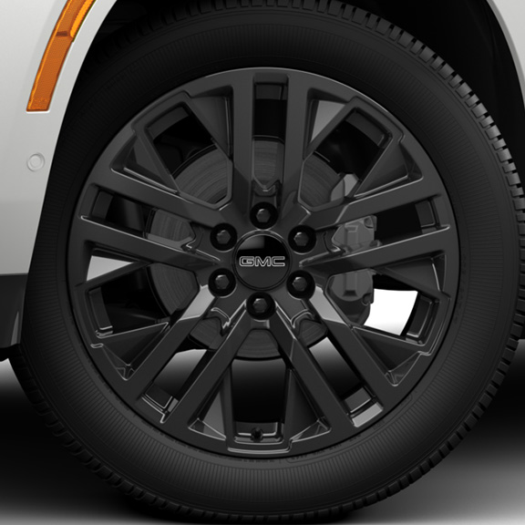 | LPO, 22" (55.9 cm) Multi-spoke Gloss Black wheels, LPO wheels will come with 4 steel 22" wheels from the factory with alignment specs set to 22" LPO wheel selected (dealer-installed) 1. Included and only available with (RGF) Elevation Black Package, LPO. Includes wheel locks and not (SFE) wheel locks, LPO. Not available with (SFE) Wheel locks, LPO. 2. Includes wheel locks and not (SFE) wheel locks, LPO. Not available with (SFE) wheel locks, LPO. | A/D1 | -- | -- | A/D2 | A/D2
SRV |  | 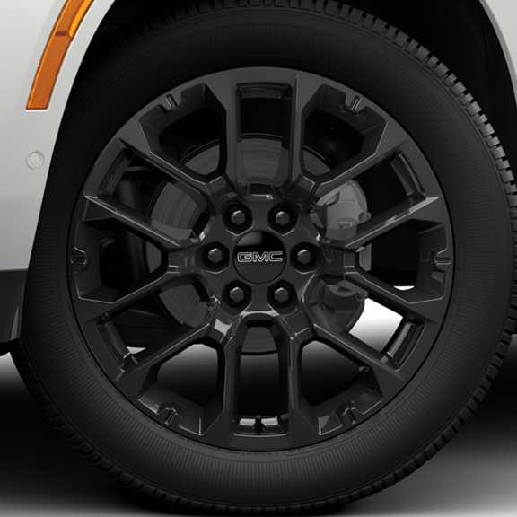 | LPO, 22" (55.9 cm) Multi-spoke Gloss Black wheels, LPO wheels will come with 4 steel 22" wheels from the factory with alignment specs set to 22" LPO wheel selected (dealer-installed) 1. Includes wheel locks and not (SFE) wheel locks, LPO. Not available with (SFE) wheel locks, LPO. | A/D1 | -- | -- | A/D1 | --
5FG |  | 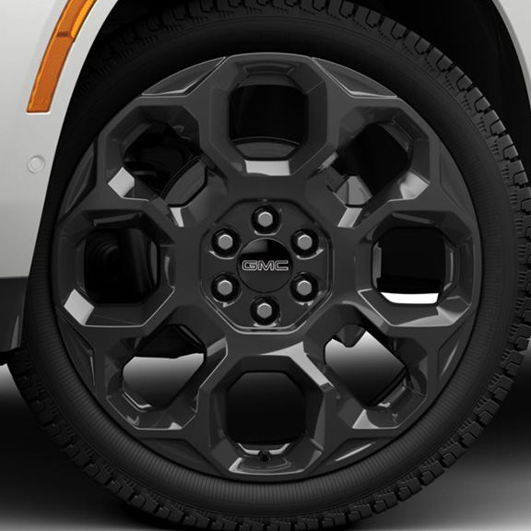 | LPO, 24" (61.0 cm) Black wheels, LPO wheels will come with 4 steel 24" wheels from the factory with alignment specs set to 24" LPO wheel selected (dealer-installed) 1. Requires 4WD model and (F47) Air Ride Adaptive Suspension. Included with (PDK) Denali Sport Nightfall Edition, LPO. Includes wheel locks and not (SFE) wheel locks, LPO. Not available with (SFE) wheel locks, LPO. | -- | -- | -- | A/D1 | A/D1
5FF |  | 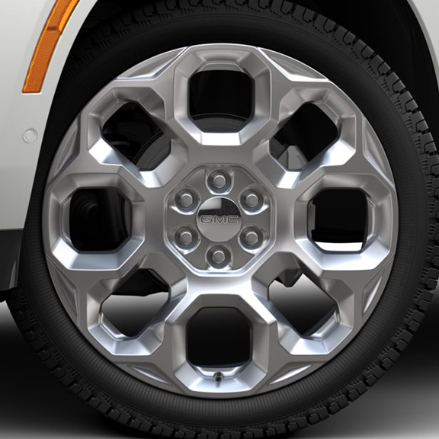 | LPO, 24" (61.0 cm) Bright PVD wheels, LPO wheels will come with 4 steel 24" wheels from the factory with alignment specs set to 24" LPO wheel selected (dealer-installed) 1. Not available at this time. Included with (RG8) Yukon Bright Edition on 4WD model only. Requires 4WD model and (F47) Air Ride Adaptive Suspension. Includes wheel locks and not (SFE) wheel locks, LPO. Not available with (SFE) wheel locks, LPO. 2. Not available at this time. Included with (RG8) Yukon Bright Edition. Requires 4WD model and (F47) Air Ride Adaptive Suspension. Includes wheel locks and not (SFE) wheel locks, LPO. Not available with (SFE) wheel locks, LPO. | -- | -- | -- | A/D1 | A/D2

